V2
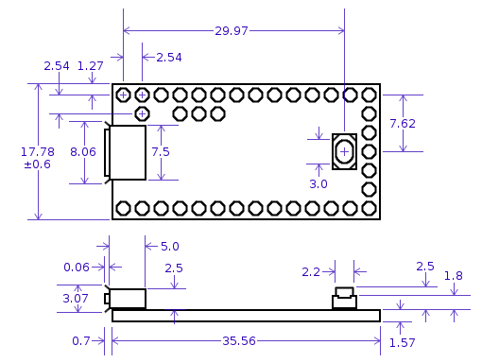
 | How many to make
 | 4

Description | Price for 1 | Minimum No | Number | Cost | Postage | VAT | Total | Web Link | Notes | Baught | Delivered |  | Other Items Needed
APA 102 strip (3.5m) | £67.37 | 1 | 1 | £67.37 | £5.00 |  | £72.37 | Click me | 144 LED / m | Yes |  |  | Soldering Iron
Teensy 3.2 | £18.58 | 1 | 4 | £74.32 |  |  | £74.32 | Click Me |  | Yes | Yes |  | Solder
Plastic tube (25 x 2 x 500) |  |  |  | £- |  |  | £- |  | Local |  |  |  | Iron cleaner
Plastic strip (380 x 20 x 3) |  |  |  | £- |  |  | £- |  | Local |  |  |  | Glue gun
LiPo charger | £0.35 | 5 | 5 | £1.77 | £1.90 |  | £3.67 | Click Me |  | Yes | Yes
Various tools & stuff |  |  |  |  |  |  | £40.00
 |  |  | Grand Total | £143.46 | £6.90 | £- | £150.36

 |  |  |  |  |  |  |  |  |  |  |  |  | Length (m) | LEDs / m |  | Length wanted (mm)
 |  | 5.68 | 8.52 |  |  |  |  |  | £75.18 |  |  |  | 1 | 60 |  | 420

Dimensions of stuff (mm)
 | Length | Width | Height | Diameter | Other |  |  |  |  |  |  |  | 38.194444444
Battery | 65 |  |  | 18
Teensy | 38.26 | 17.78 | 4.64 |  |  |  |  |  |  |  |  |  | 1000 | 16.666666667
Lipo Charger | 28 | 18
LED | 50 | 50 |  |  |  |  |  |  |  |  |  |  |  | 1.3095238095
Plastic Strip | 380 | 19.5 | 3
Plastic Tube | 500 |  |  | 25 | 2mm Wall thickness |  |  |  |  |  |  |  |  | 1.44 | 60.48

 |  |  |  |  |  |  |  |  |  |  |  |  |  |  | 38.194444444

Look In To Teensy Transfer

 |  |  |  |  |  |  |  |  |  |  |  | 65

General Notes V3
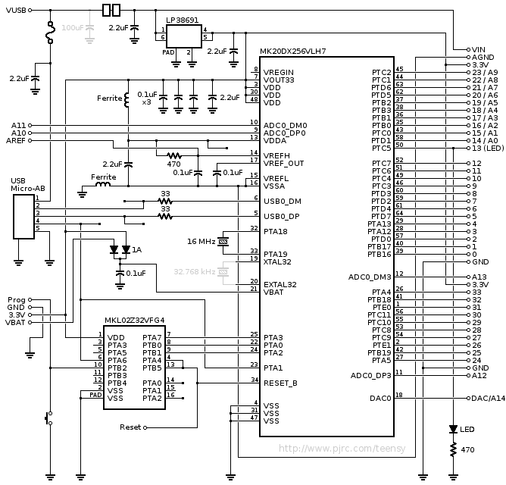
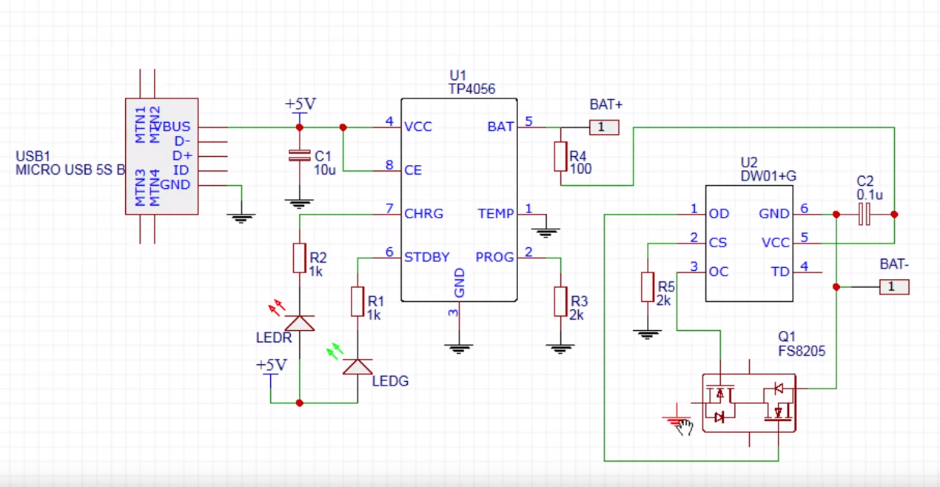
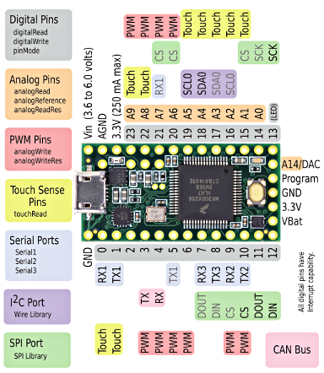

Pin | Function | Chip Pin | Chip Assignment
11 | Data | 57
13 | Clock | 28
13 | Power LED | 50

